Quote
 |  | Client: Anti-Corruption Commission

 |  |  |  |  |  | QUOTATION
Quotation No.: BW/2026/027
Date: 16-03-2026 |  |  |  |  |  | Vendor No: 514110
client: Ministry of Education
# | Item, model no | No of islands/ No of AC units | Days | Price | GST 8% | Total price
 | AC transfer to islands as per the requirements of RFQ
1 | Shaviyani Atoll, | 14 / 552 | 5 | 112,500.00 | 9,000.00 | 121,500.00
2 | Noonu Atoll | 13 / 426 | 5 | 107,500.00 | 8,600.00 | 116,100.00
3 | Raa Atoll | 16 / 628 | 5 | 97,000.00 | 7,760.00 | 104,760.00
4 | Baa Atoll | 10 / 352 | 4 | 84,000.00 | 6,720.00 | 90,720.00
5 | Kaafu Atoll | 7 / 232 | 4 | 68,000.00 | 5,440.00 | 73,440.00
6 | Thaa Atoll | 10 / 324 | 4 | 102,000.00 | 8,160.00 | 110,160.00
7 | Laamu Atoll | 13 / 470 | 5 | 118,000.00 | 9,440.00 | 127,440.00

All rates and amounts are in MVR..
Quotation / bid Validity: 30 days.


No of days indicate the time (days) for transfer completion for the given atoll.
Loading to boat/dhoni and unloading to the island is inclusive.
Authorised Signatory

Aboobakuru Qasim
Managing Director

Business Watch Pvt Ltd, Gulfaamge |  |  |  |  | Quotation Page 1 of 1

Workings
 |  | chk 89, 98

PSM Transmitter TEX300LCD | Antenna italia TEX300LCD | ZHC618F |  | FMUSER Model: FU618F-300w
CIP shipping to Male euro | 2,500.00
CIP shipping to Male USD | 2,910.23 | 2,300.00 |  | 2,800.00
CIP in MVR at 20.1 | 58,495.62 | 46,230.00 |  | 56,280.00
Clearance, Tax, Fees | 8,000.00 | 8,000.00 |  | 8,000.00
Cost | 66,495.62 | 54,230.00 |  | 64,280.00
20% | 13,299.12 | 16,269.00 | 30% | 14,141.60 | 22%
SP | 79,794.75 | 70,499.00 |  | 78,421.60
8% | 6,383.58 | 5,639.92 |  | 6,273.73
Quote | 86,178.33 | 76,138.92 |  | 84,695.33

Item Electric Paper Cutting Machine |  |  |  | item | freight | total usd | mvr | clearance, taxes, fees | Cost | Margin | Quote
Quantity 01 |  | 2300 | LONGTAI | 2300 | 150 | 2450 | 49,490.00 | 11,000.00 | 60,490.00 | 42,343.00 | 102,800.00
Cutting Capacity: 500 sheets (80gsm) |  | 2300 | LONGTAI | 88X78X116 | 88 | 78 | 116 | 796224 | 0.80 | 151.28
Safety Mechanism: Optical Eye
Back Stop: Adjustable Backstop
Width: Minimum 45 cm
Depth: Minimum 45 cm
Additional Part: 1 Additional Cutting Blade Must be Included

Item Electric Paper Cutting Machine Quantity 01 Cutting Capacity: 500 sheets (80gsm) Safety Mechanism: Optical Eye Back Stop: Adjustable Backstop Width: Minimum 45 cm Depth: Minimum 45 cm Additional Part: 1 Additional Cutting Blade Must be Included

weight 20, 15 (prism in station pack) |  |  |  | Islamic Ministry July Comp, Laptop Camera
Total station |  |  |  | Category 2 |  |  |  | tv | 650
price (with prism and tripod) | 5400 |  |  | Camera | Camera: Canon EOS R5 Mark II Mirrorless Camera | 4500 |  | stand | 70
Freight (70KG) | 700 |  |  |  |  |  |  | shiping | 620
total usd | 6100 |  |  | Lens: | Canon RF 24-70mm f/2.8 LIS USM | 2400 |  |  | 1340
total mvr at 20 | 122000 |  |  |  | Canon RF 70-200mm f/2.8 LIS USM Z | 2800 |  |  | 26800
 | 244000 |  |  |  |  |  |  |  | 80400
 |  |  |  | Card: | SanDisk 128GB Extreme PRO CFexpress Card Type B | 100
 |  |  |  |  | SanDisk 128GB Extreme PRO UHS-11SDXC Memory Card | 50

Feydhoo Garden lights |  |  |  | Card Reader: | ProGrade Digital CFexpress Type B & UHS-11 SDXC Dual-Slot USB 3.2 Gen 2 Card Reader | 100
Weight 6Kg/each
measurements single unit packaging | 105X35X35 cm |  |  | Flash: | Godox V1Pro C Flash for Canon | 350
cbm/each | 0.128625
cbm 8pcs | 1.029 |  |  | Camera Grip: | Canon CF-R20EP Battery Grip | 400

 |  |  |  | MICs | DJi Mini Wireless Mic | 250

HiAce van |  |  |  | Tripod | SmallRig x Potato Jet TRIBEX Hydraulic Carbon Fiber Tripod Kit | 600
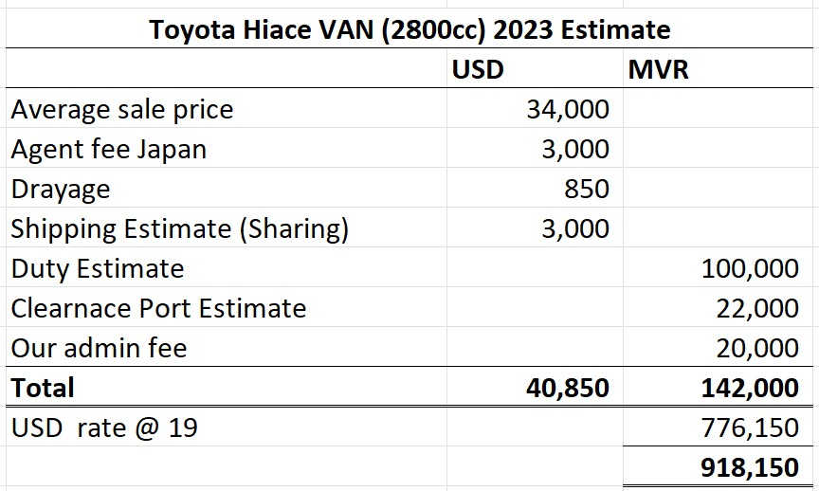
 |  |  |  | Light | On-Camera RGB LED Light Panel | 350
 |  |  |  |  |  | 11900
 |  |  |  |  |  | 600
 |  |  |  |  |  | 12,500 | 250,000.00 | 250,000.00
 |  |  |  |  |  | 20 | 50,000.00 | 300,000.00
 |  |  |  |  |  | 25 | 62,500.00 | 312,500.00
 |  |  |  |  |  | 30 | 75,000.00 | 325,000.00
 |  |  |  |  |  | 35 | 87,500.00 | 337,500.00

mvr 20 | 817,000.00
Price usd | 40,850.00
Price mvr (USD rate 19.5) | 796,575.00
Other charges | 142,000.00
Total Cost at usd rate 19.5 | 940,000.00 | Profit ma | 960000
1,175,000.00 | 235,000.00 | 25 | 240,000.00 | 1,200,000.00
1,222,000.00 | 282,000.00 | 30 | 288,000.00 | 1,248,000.00
1,269,000.00 | 329,000.00 | 35 | 336,000.00 | 1,296,000.00
1,316,000.00 | 376,000.00 | 40 | 384,000.00 | 1,344,000.00
1,363,000.00 | 423,000.00 | 45 | 432,000.00 | 1,392,000.00
1,410,000.00 | 470,000.00 | 50 | 480,000.00 | 1,440,000.00

Marks | 65 | 20 | 5 | 10
BID VALUES for hiace van police | Price | Mudhatu | Thajriba | Maalee
Wink Maldives Pvt Ltd | 850000 | 90
Sasma Pvt Ltd | 1604016 | 40
South Gate Investment Pvt Ltd | 1479600 | 97
Business Watch Pvt Ltd | 1400000 | 50

EVALUATION for hiace van police | Price | Mudhatu | Price and mudhathu total only
Wink Maldives Pvt Ltd | 65.00 | 8.9 | 73.9
Sasma Pvt Ltd | 34.44 | 20.0 | 54.44
South Gate Investment Pvt Ltd | 37.34 | 8.2 | 45.6
Business Watch Pvt Ltd | 39.46 | 16.0 | 55.5
No thajriba, and maalee marks

COLD SPARK MACHINES
240 | 319.2 |  | 580
 | 4922.064 |  | 609
 |  |  | 9390.78

 |  | 260 | 2080 | 8 lights
 |  | 2 | 390 | cbm
 |  |  | 2470
 |  |  | 50017.5
 | cle |  | 10000
 |  |  | 60017.5

 |  |  |  | 70,000.00
 |  |  |  | 20.00
 |  |  |  | 1,400,000.00

Supreme court sound mixer
Brand, Model | Primary Strengths | Best For...
Behringer X AIR XR18 | Exceptional value, Midas preamps, and a robust feature set. | Musicians and engineers on a budget who need powerful, reliable performance in a compact format.
Soundcraft Ui16 | Legendary Harman effects, a versatile web-based control app, and a compact design. | Users who want high-quality built-in effects for a wide range of applications, from bands to spoken word.
Allen & Heath CQ-18T | High-resolution 96kHz processing, a physical touchscreen, and intelligent mixing assistants. | Those who want a blend of modern digital features and a hands-on control surface, with a focus on premium sound.

Supreme court Cam and Accessories
Sony A7R V mirrorless cam | Cam
 | Lens

Evolis Avansia Card printer
I am trying to get prices for all the main items. Avansia is US$3450/PC Ribbon&Film: US$205/Set, 2 sets usd 410 Cleaning kits ACL003: US$40/Set |  | 3450

Printer |  | 3450
Ribbon and film set | 2 | 410
Cleaning kit |  | 50
Total |  | 3910 | 78982
carton size: 54*59*100 | 0.33
Shipping | est usd 500 | 500 | 10100
 |  | 4410 | 89082
Customs clearance and duty |  |  | 10000
 |  |  | 99082
 |  |  | 188,255.80

Garden lights
pole carton 75*50*38cm 35kg,light head carton: 75*50*33kg 35kg（wooden frame）

usd | aruba switch
 | 2,930.00
power 160x2 | 320.00
items total | 3,250.00
shipping
Total | 3,250.00
charges | 3,347.50
mvr | 67,117.38
clearance+fees | 15,000.00
 | 82,117.38
35% | 28,741.08
 | 110,858.46
round off
GST | 8,868.68

Copy of Quote
 |  |  |  | QUOTATION
Ref: BW/2025/
Date:
Customer:
iulaan No:
# | Item | Qty | Rate | Amount |  | usd | mvr (rate 20)
1 |  |  |  |  | Absee agu (1unit) | 239,200.00 | 4,784,000.00
 |  |  |  |  | Shipping | 9,000.00 | 180,000.00
 |  |  |  |  | ACUTAL COST | #REF! | #REF!
 |  |  |  |  | ROUND OFF | 500,000.00 | 10,000,000.00
 |  |  |  |  | Profit 27% | 135,000.00 | 2,700,000.00
Sub total |  |  |  |  | Price | 635,000.00 | 12,700,000.00 | 12,520,000.00
GST |  |  |  |  | GST 8% | 50,800.00 | 1,016,000.00 | 6,260,000.00
Total: Three hundred fifty-eight thousand seven hundred fifty only |  |  |  |  | Sales/QUOTE | 685,800.00 | 13,716,000.00
 |  |  |  |  |  |  | 13,536,000.00
Delivery time:
Quotation Validity: 90 days
 |  |  |  |  |  | usd | mvr (rate 20)
 |  |  |  |  | Ziyad agu (1unit) | 305,000.00 | 6,100,000.00
All rates and amounts are in MVR. |  |  |  |  | 2 units | 610,000.00 | 12,200,000.00
Bank Account info. Bank: MIB: |  |  |  |  | Shipping | 15,000.00 | 300,000.00
Account Name: Business Watch Pvt Ltd |  |  |  |  | ACUTAL COST | 625,000.00 | 12,500,000.00
MVR | 90101480036671000 |  |  |  | ROUND OFF | 630,000.00 | 12,600,000.00
USD | 90101480036672000 |  |  |  | Profit 27% | 170,100.00 | 3,402,000.00
 |  |  |  |  | Price | 800,100.00 | 16,002,000.00
Authorised Signatory |  |  |  |  | GST 8% | 64,008.00 | 1,280,160.00

 |  |  |  |  | Sales/QUOTE | 864,108.00 | 17,282,160.00

Aboobakuru
Managing Director
Business Watch Pvt Ltd, Gulfaamge, Lh.Hinnavaru |  |  |  | Quotation

